Sheet1
Network Architecture 1
 | Nin | k | p | s | Nout | Jin | Jout | Rin | Rout
Conv2D | 32 | 3 | 1 | 1 | 32 | 1 | 1 | 1 | 3 |  | Calculations without Dilation |  |  | Calculations with Dilation
Conv2D | 32 | 3 | 1 | 1 | 32 | 1 | 1 | 3 | 5
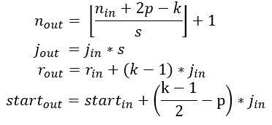
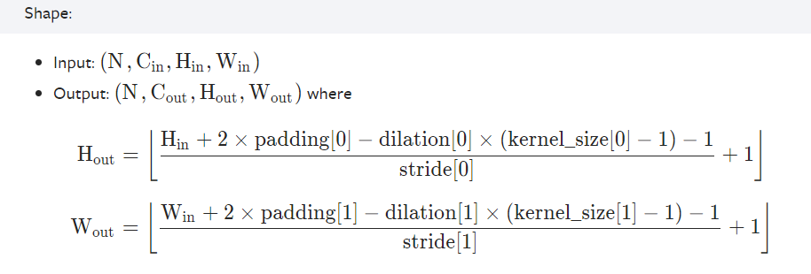
MaxPool | 32 | 2 | 0 | 2 | 16 | 1 | 2 | 5 | 6
Conv2D | 16 | 3 | 1 | 1 | 16 | 2 | 2 | 6 | 10
Conv2D | 16 | 3 | 1 | 1 | 16 | 2 | 2 | 10 | 14
MaxPool | 16 | 2 | 0 | 2 | 8 | 2 | 4 | 14 | 16
Conv2D | 8 | 3 | 1 | 1 | 8 | 4 | 4 | 16 | 24
Conv2D | 8 | 3 | 1 | 1 | 8 | 4 | 4 | 24 | 32
MaxPool | 8 | 2 | 0 | 2 | 4 | 4 | 8 | 32 | 36
Conv2D | 4 | 3 | 1 | 1 | 4 | 8 | 8 | 36 | 52
Conv2D | 4 | 3 | 1 | 1 | 4 | 8 | 8 | 52 | 68

Network Architecture 2 |  |  |  |  |  |  |  |  |  |  |  | Nin | Input Size
 | Nin | k | p | s | Nout | Jin | Jout | Rin | Rout |  |  | k | Kernel Size
Conv2D | 32 | 3 | 1 | 1 | 32 | 1 | 1 | 1 | 3 |  |  | p | Padding
Conv2D | 32 | 3 | 1 | 1 | 32 | 1 | 1 | 3 | 5 |  |  | s | Stride
Conv2D | 32 | 3 | 0 | 2 | 15 | 1 | 2 | 5 | 7 |  |  | Jin | Jump In
Conv2D | 15 | 1 | 0 | 1 | 15 | 2 | 2 | 7 | 7 |  |  | Jout | Jump Out
Conv2D | 15 | 3 | 1 | 1 | 15 | 2 | 2 | 7 | 11 |  |  | Rin | Receptive Field In
Conv2D | 15 | 3 | 1 | 1 | 15 | 2 | 2 | 11 | 15 |  |  | Rout | Receptive Field Out
Conv2D | 15 | 3 | 0 | 2 | 7 | 2 | 4 | 15 | 19
Conv2D | 7 | 1 | 0 | 1 | 7 | 4 | 4 | 19 | 19
Conv2D | 7 | 3 | 1 | 1 | 7 | 4 | 4 | 19 | 27
Conv2D | 7 | 3 | 1 | 1 | 7 | 4 | 4 | 27 | 35
Conv2D | 7 | 3 | 0 | 2 | 3 | 4 | 8 | 35 | 43
Conv2D | 3 | 1 | 0 | 1 | 3 | 8 | 8 | 43 | 43
Conv2D | 3 | 3 | 1 | 1 | 3 | 8 | 8 | 43 | 59
Conv2D | 3 | 3 | 1 | 1 | 3 | 8 | 8 | 59 | 75

Network Architecture 3
 | Nin | k | p | s | Nout | Jin | Jout | Rin | Rout
Conv2D | 32 | 3 | 1 | 1 | 32 | 1 | 1 | 1 | 3
Conv2D | 32 | 3 | 1 | 1 | 32 | 1 | 1 | 3 | 5
Conv2D | 32 | 3 | 1 | 2 | 16 | 1 | 2 | 5 | 7
Conv2D | 16 | 3 | 1 | 1 | 16 | 2 | 2 | 7 | 11
Conv2D | 16 | 3 | 1 | 1 | 16 | 2 | 2 | 11 | 15
Conv2D | 16 | 3 | 1 | 2 | 8 | 2 | 4 | 15 | 19
Conv2D | 8 | 3 | 1 | 1 | 8 | 4 | 4 | 19 | 27
Conv2D | 8 | 3 | 1 | 1 | 8 | 4 | 4 | 27 | 35
Conv2D | 8 | 3 | 1 | 2 | 4 | 4 | 8 | 35 | 43
Conv2D | 4 | 3 | 1 | 1 | 4 | 8 | 8 | 43 | 59
Conv2D | 4 | 3 | 1 | 1 | 4 | 8 | 8 | 59 | 75

 | Network Architecture 4
 | Nin | k | p | s | Nout | Jin | Jout | Rin | Rout
Conv2D | 32 | 3 | 1 | 1 | 32 | 1 | 1 | 1 | 3
Conv2D | 32 | 3 | 1 | 1 | 32 | 1 | 1 | 3 | 5
Conv2D | 32 | 3 | 1 | 1 | 32 | 1 | 1 | 5 | 7
Conv2D | 32 | 3 | 1 | 2 | 16 | 1 | 2 | 7 | 9
Conv2D | 16 | 3 | 1 | 1 | 16 | 2 | 2 | 9 | 13
Conv2D | 16 | 3 | 1 | 1 | 16 | 2 | 2 | 13 | 17
Conv2D | 16 | 3 | 1 | 1 | 16 | 2 | 2 | 17 | 21
Conv2D | 16 | 3 | 1 | 2 | 8 | 2 | 4 | 21 | 25
Conv2D | 8 | 3 | 1 | 1 | 8 | 4 | 4 | 25 | 33
Conv2D | 8 | 3 | 1 | 1 | 8 | 4 | 4 | 33 | 41
Conv2D | 8 | 3 | 1 | 1 | 8 | 4 | 4 | 41 | 49
Conv2D | 8 | 3 | 1 | 2 | 4 | 4 | 8 | 49 | 57
Conv2D | 4 | 3 | 1 | 1 | 4 | 8 | 8 | 57 | 73
Conv2D | 4 | 3 | 1 | 1 | 4 | 8 | 8 | 73 | 89

 | Network Architecture 5
 | Nin | k | p | s | Dilation | Nout | Jin | Jout | Rin | Rout
Conv2D | 32 | 3 | 2 | 1 | 2 | 32 | 1 | 2 | 1 | 5
Conv2D | 32 | 3 | 1 | 1 | 1 | 32 | 2 | 2 | 5 | 9
Conv2D | 32 | 3 | 1 | 2 | 1 | 16 | 2 | 4 | 9 | 13
Conv2D | 16 | 3 | 2 | 1 | 2 | 16 | 4 | 8 | 13 | 29
Conv2D | 16 | 3 | 1 | 1 | 1 | 16 | 8 | 8 | 29 | 45
Conv2D | 16 | 3 | 1 | 2 | 1 | 8 | 8 | 16 | 45 | 61
Conv2D | 8 | 3 | 2 | 1 | 2 | 8 | 16 | 32 | 61 | 125
Conv2D | 8 | 3 | 1 | 1 | 1 | 8 | 32 | 32 | 125 | 189
Conv2D | 8 | 3 | 1 | 2 | 1 | 4 | 32 | 64 | 189 | 253
Conv2D | 4 | 3 | 1 | 1 | 1 | 4 | 64 | 64 | 253 | 381
Conv2D | 4 | 3 | 1 | 1 | 1 | 4 | 64 | 64 | 381 | 509

 | Network Architecture 6
 | Nin | k | p | s | Dilation | Nout | Jin | Jout | Rin | Rout
Conv2D | 32 | 3 | 2 | 1 | 2 | 32 | 1 | 2 | 1 | 3
Conv2D | 32 | 3 | 1 | 1 | 1 | 32 | 2 | 2 | 3 | 7
Conv2D | 32 | 3 | 1 | 2 | 1 | 16 | 2 | 4 | 7 | 11
Conv2D | 16 | 3 | 1 | 1 | 1 | 16 | 4 | 4 | 11 | 19
Conv2D | 16 | 3 | 1 | 1 | 1 | 16 | 4 | 4 | 19 | 27
Conv2D | 16 | 3 | 1 | 2 | 1 | 8 | 4 | 8 | 27 | 35
Conv2D | 8 | 3 | 1 | 1 | 1 | 8 | 8 | 8 | 35 | 51
Conv2D | 8 | 3 | 1 | 1 | 1 | 8 | 8 | 8 | 51 | 67
Conv2D | 8 | 3 | 1 | 2 | 1 | 4 | 8 | 16 | 67 | 83
Conv2D | 4 | 3 | 1 | 1 | 1 | 4 | 16 | 16 | 83 | 115
Conv2D | 4 | 3 | 1 | 1 | 1 | 4 | 16 | 16 | 115 | 147

 | Network Architecture 7
 | Nin | k | p | s | Dilation | Nout | Jin | Jout | Rin | Rout
Conv2D | 32 | 3 | 1 | 1 | 1 | 32 | 1 | 1 | 1 | 3
Conv2D | 32 | 3 | 1 | 1 | 1 | 32 | 1 | 1 | 3 | 5
Conv2D | 32 | 3 | 1 | 1 | 1 | 32 | 1 | 1 | 5 | 7
Conv2D | 32 | 3 | 2 | 2 | 2 | 16 | 1 | 4 | 7 | 11
Conv2D | 16 | 3 | 1 | 1 | 1 | 16 | 4 | 4 | 11 | 19
Conv2D | 16 | 3 | 1 | 1 | 1 | 16 | 4 | 4 | 19 | 27
Conv2D | 16 | 3 | 1 | 1 | 1 | 16 | 4 | 4 | 27 | 35
Conv2D | 16 | 3 | 2 | 2 | 2 | 8 | 4 | 16 | 35 | 51
Conv2D | 8 | 3 | 1 | 1 | 1 | 8 | 16 | 16 | 51 | 83
Conv2D | 8 | 3 | 1 | 1 | 1 | 8 | 16 | 16 | 83 | 115
Conv2D | 8 | 3 | 1 | 1 | 1 | 8 | 16 | 16 | 115 | 147
Conv2D | 8 | 3 | 2 | 2 | 2 | 4 | 16 | 64 | 147 | 211
Conv2D | 4 | 3 | 1 | 1 | 1 | 4 | 64 | 64 | 211 | 339
Conv2D | 4 | 3 | 1 | 1 | 1 | 4 | 64 | 64 | 339 | 467

